ART
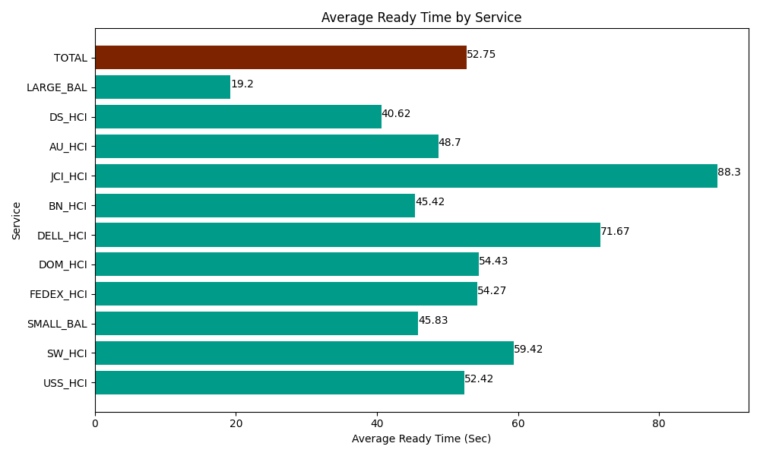
Date | Service | Successful Op Transfer | In Call (Sec) | Ready (Sec) | Wrapup (Sec) | Not Ready (Sec) | Average Ready Time (Sec)
04-01-2024 | USS_HCI | 181 | 26221.199341 | 9487.199707 | 21692.999268 | 4147.7998352 | 52.42
04-01-2024 | SW_HCI | 193 | 7378.8002014 | 11467.199707 | 14093.999634 | 9958.2000732 | 59.42
04-01-2024 | SMALL_BAL | 401 | 30403.800659 | 18377.999268 | 55411.201172 | 65473.798828 | 45.83
04-01-2024 | FEDEX_HCI | 164 | 11098.799744 | 8901.0003662 | 15796.199341 | 12604.200439 | 54.27
04-01-2024 | DOM_HCI | 232 | 11490 | 12626.999817 | 25222.199707 | 5692.7998352 | 54.43
04-01-2024 | DELL_HCI | 150 | 17992.800293 | 10750.799561 | 31777.800293 | 17806.199341 | 71.67
04-01-2024 | BN_HCI | 563 | 48442.199707 | 25572.000732 | 86203.198242 | 62278.198242 | 45.42
04-01-2024 | JCI_HCI | 207 | 21585 | 18277.199707 | 29824.799194 | 4016.9998169 | 88.3
04-01-2024 | AU_HCI | 265 | 18098.999634 | 12906.000366 | 23782.199707 | 17322.000732 | 48.7
04-01-2024 | DS_HCI | 793 | 53630.998535 | 32212.800293 | 81595.803223 | 72766.201172 | 40.62
04-01-2024 | LARGE_BAL | 1 | 4.2000000179 | 19.199999571 | 1028.9999771 | 12.000000179 | 19.2
 | TOTAL | 3150 | 246346.79811 | 160598.39952 | 386429.39976 | 272078.39832 | 52.75

